Data Input
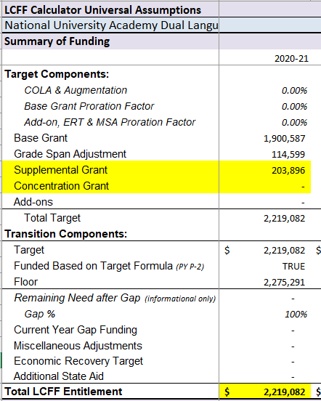
LCFF Budget Overview for Parents Data Input Sheet
Local Educational Agency (LEA) name: | Dual Language Institute North County
CDS code:
LEA contact information: | Mallory Wirth
Current School Year: | 2020-2021
Prior School Year | 2019-2020
*NOTE: The "High Needs Students" referred to in the tables below are Unduplicated Students for LCFF funding purposes. | EmptyCell
Projected General Fund Revenue for the 2020-2021 School Year | Amount
Total LCFF funds | $2,219,082
LCFF supplemental & concentration grants | $203,896
All other state funds | $218,971
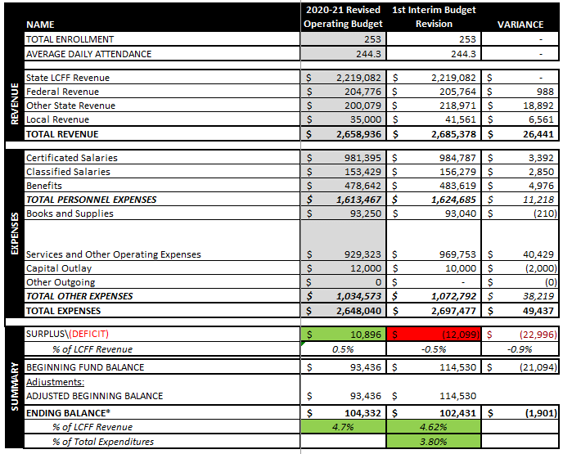
All local funds | $41,561
Total federal funds | $205,764
Federal CARES funds | $113,143
Total Projected Revenue | $2,685,378
Total Budgeted Expenditures for the 2020-2021 School Year | Amount
Total Budgeted General Fund Expenditures | $2,697,477
Total Budgeted Expenditures in the Learning Continuity Plan | $165,898
Total Budgeted Expenditures for High Needs Students in the Learning Continuity Plan | $58,250
Expenditures not in the Learning Continuity Plan | $2,531,579
Expenditures for High Needs Students in the 2019-2020 School Year | Amount
Total Budgeted Expenditures for High Needs Students in the LCAP | $102,400
Actual Expenditures for High Needs Students in LCAP | $102,400
End of Sheet | End of Sheet

Template
LCFF Budget Overview for Parents Template
Local Educational Agency (LEA) Name: Dual Language Institute North County
CDS Code: [CDS Code]
School Year: 2020-2021
LEA contact information: Mallory Wirth
School districts receive funding from different sources: state funds under the Local Control Funding Formula (LCFF), other state funds, local funds, and federal funds. LCFF funds include a base level of funding for all LEAs and extra funding - called "supplemental and concentration" grants - to LEAs based on the enrollment of high needs students (foster youth, English learners, and low-income students).
Projected Revenue by Fund Source
LCFF supplemental & concentration grants | $203,896
All Other LCFF funds | $2,015,186
All other state funds | $218,971
All local funds | $41,561
All Other Federal Funds | $92,621
Federal CARES funds | $113,143
Budget Overview for the 2020-2021 School Year
This chart shows the total general purpose revenue Dual Language Institute North County expects to receive in the coming year from all sources.
The total revenue projected for Dual Language Institute North County is $2,685,378.00, of which $2,219,082.00 is Local Control Funding Formula (LCFF) funds, $218,971.00 is other state funds, $41,561.00 is local funds, and $205,764.00 is federal funds. Of the $205,764.00 in federal funds, $113,143.00 are federal CARES Act funds. Of the $2,219,082.00 in LCFF Funds, $203,896.00 is generated based on the enrollment of high needs students (foster youth, English learner, and low-income students).
For the 2020-21 school year school districts must work with parents, educators, students, and the community to develop a Learning Continuity and Attendance Plan (Learning Continuity Plan). The Learning Continuity Plan replaces the Local Control and Accountability Plan (LCAP) for the 2020–21 school year and provides school districts with the opportunity to desribe how they are planning to provide a high-quality education, social-emotional supports, and nutrition to their students during the COVID-19 pandemic.
Budgeted Expenditures in the Learning Continuity Plan
 | Total Budgeted Expenditures in the Learning Continuity Plan | Total Budgeted Expenditures for High Needs Students in the Learning Continuity Plan
 | $165,898 | $58,250
This chart provides a quick summary of how much Dual Language Institute North County plans to spend for planned actions and services in the Learning Continuity Plan for 2020-2021and how much of the total is tied to increasing or improving services for high needs students.
Dual Language Institute North County plans to spend $2,697,477.00 for the 2020-2021 school year. Of that amount, $165,898.00 is tied to actions/services in the Learning Continuity Plan and $2,531,579.00 is not included in the Learning Continuity Plan. The budgeted expenditures that are not included in the Learning Continuity Plan will be used for the following: Salaries, Employee Benefits, Rent, Legal Service, Audit Services, IT Services, Financial Services
Increased or Improved Services for High Needs Students in in the Learning Continuity Plan for the 2020-2021 School Year
In 2020-2021, Dual Language Institute North County is projecting it will receive $203,896.00 based on the enrollment of foster youth, English learner, and low-income students. Dual Language Institute North County must describe how it intends to increase or improve services for high needs students in the Learning Continuity Plan. Dual Language Institute North County plans to spend $58,250.00 towards meeting this requirement, as described in the Learning Continuity Plan. The additional improved services described in the plan include the following: 23 students with IEPS. All eligible to receive services on site, thoguth some opt to receive services virtually. 49 English learners. English learners receive designated and integrated ELD, some meet in small groups outside of class. Free and reduced lunch students who are virtual learners receive Grab and Go lunches on Mondays for the week. Students who qualify can purchase the lunches at a reduced cost.
Prior Year Expenditures: Increased or Improved Services for High Needs Students
 | Actual Expenditures for High Needs Students in LCAP |  | Total Budgeted Expenditures for High Needs Students in the LCAP
$1 | 102400 | 1 | 102400
Update on Increased or Improved Services for High Needs Students in 2019-2020
This chart compares what Dual Language Institute North County budgeted in the 2019-20 LCAP for actions and services that contributed to increasing or improving services for high needs students with what Dual Language Institute North County actually spent on actions and services that contributed to increasing or improving services for high needs students in the 2019-20 school year.
In 2019-2020, Dual Language Institute North County's LCAP budgeted $102,400.00 for planned actions to increase or improve services for high needs students. Dual Language Institute North County actually spent $102,400.00 for actions to increase or improve services for high needs students in 2019-2020.

